NREL Calcs
Capital Cost ($2017) converted to 2012$
 |  | 2020 | 2025 | 2030 | 2035 | 2040 | 2045 | 2050
ATB Mid | Battery Electric Vehicle (200-mile range) | 40,333 | 37,007 | 33,532 | 32,596 | 31,434 | 30,263 | 29,093 | 1.1364800585
ATB Mid | Battery Electric Vehicle (300-mile range) | 52,125 | 45,765 | 40,117 | 39,134 | 37,504 | 35,874 | 34,244
ATB Mid | Battery Electric Vehicle (400-mile range) | 70,118 | 59,150 | 49,025 | 46,393 | 44,098 | 41,803 | 39,499
ATB Mid | Diesel Internal Combustion Engine Vehicle | 27,191 | 29,027 | 29,224 | 28,849 | 28,390 | 27,941 | 27,482
ATB Mid | Fuel Cell Electric Vehicle (320-mile range) | 49,774 | 43,068 | 38,487 | 35,350 | 33,991 | 32,643 | 31,284
ATB Mid | Gasoline Hybrid Electric Vehicle | 28,999 | 29,973 | 29,533 | 28,662 | 28,100 | 27,547 | 26,985
ATB Mid | Gasoline Internal Combustion Engine Vehicle | 24,325 | 26,358 | 27,144 | 27,126 | 26,620 | 25,936 | 25,599
ATB Mid | Natural Gas Internal Combustion Engine Vehicle | 29,205 | 30,338 | 30,320 | 28,474 | 27,884 | 27,107 | 26,723
ATB Mid | Plug-in Hybrid Electric Vehicle (20-mile electric range) | 68,301 | 67,552 | 61,520 | 58,991 | 57,717 | 56,443 | 55,169
ATB Mid | Plug-in Hybrid Electric Vehicle (50-mile electric range) | 85,536 | 77,836 | 69,163 | 65,135 | 63,449 | 61,745 | 60,059

AEO | Midsized | 2020 | 2025 | 2030 | 2035 | 2040 | 2045 | 2050
 | Gas LDV-AEO | 25,760 | 26,342 | 26,719 | 26,969 | 27,147 | 27,311 | 27,451
 | Diesel LDV-AEO | 29,323 | 29,779 | 30,127 | 30,371 | 30,542 | 30,702 | 30,841
 | Electric LDV-AEO | 41,287 | 39,603 | 38,334 | 37,618 | 37,214 | 37,251 | 37,279

Ratio of NREL/AEO
 | Midsized | 2020 | 2025 | 2030 | 2035 | 2040 | 2045 | 2050
 | Gas LDV | 0.94 | 1.00 | 1.02 | 1.01 | 0.98 | 0.95 | 0.93
 | Diesel LDV | 0.93 | 0.97 | 0.97 | 0.95 | 0.93 | 0.91 | 0.89
 | Electric LDV | 0.98 | 0.93 | 0.87 | 0.87 | 0.84 | 0.81 | 0.78

CARB ACT ISOR
Source: CARB
PUBLIC HEARING TO CONSIDER THE PROPOSED ADVANCED CLEAN TRUCKS REGULATION
https://ww3.arb.ca.gov/regact/2019/act2019/isor.pdf

Color Key:
Copied from CARB source
Added notes/calculation

 |  |  |  |  | Sales - diesel and gasoline
In 2012 $s for rows 20 and 21
 | 2021-2023 MY | 2024-2026 MY | 2027-2030 MY
Class 2b-3 Pickup/Van | $524.00 | $963.00 | $1,364.00 |  | Model Year | Class 2b-3 | Class 4-5 | Class 6-7 | Class 8 | Class 7-8 Tractor
Vocational Vehicles* | $1,110.00 | $2,022.00 | $2,662.00 |  | 2024 | 53761 | 6436 | 7556 | 1119 | 4686
Tractors | $5,926.38 | $9,232.31 | $11,371.99 |  | 2025 | 54217 | 6531 | 7667 | 1137 | 4769
Calculated LDV Average | $658.83 | $1,205.29 | $1,645.17 |  | 2026 | 54753 | 6649 | 7806 | 1177 | 4918
 |  |  |  |  | 2027 | 55152 | 6786 | 7966 | 1194 | 4993
*Vocational Vehicles encompass Class 8 non-tractor vehicles according to the EIA. |  |  |  |  | 2028 | 55765 | 6904 | 8105 | 1216 | 5075
Note that E3 groups Class 8 non-tractors with Class 7-8 tractors in HDV freight. |  |  |  |  | 2029 | 56371 | 7024 | 8246 | 1239 | 5161
 |  |  |  |  | 2030 | 56968 | 7147 | 8390 | 1264 | 5263
 |  |  |  |  | sum | 386987 | 47477 | 55736 | 8346 | 34865
 |  |  |  |  |  | LDV Freight |  |  |  | HDV Freight
Gasoline and Diesel Vehicle Starting Prices: |  |  |  |  |  | Class 2b-3 | Class 4-5 | Class 6-7 | Class 8 | Class 7-8 Tractor
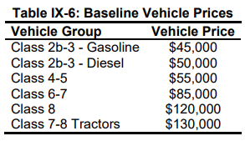
 |  |  |  |  | Sales Share (2024-2030) | 78% | 10% | 11% | 2% | 100%

 |  | Vehicle Group | Vehicle Price |  | * E3 categorizes Class 8 non-tractors and Class 7-8 tractors as HDV freight.
 |  | Class 2b-3 - Gasoline | $45,000.00 |  | This file uses EIA's definition that includes Class 8 non-tractors in vocational vehicles/LDV freight.
 |  | Class 2b-3 - Diesel | $50,000.00
 |  | Class 4-5 | $55,000.00 |  | LDV freight sales - DIESEL ONLY
 |  | Class 6-7 | $85,000.00 |  | Model Year | Class 2b-3 | Class 4-5 | Class 6-7 | Class 8
 |  | Class 8 | $120,000.00 |  | 2024 | 30644 | 6436 | 7556 | 1119
 |  | Class 7-8 Tractors | $130,000.00 | $118,820.00 | 2025 | 30904 | 6531 | 7667 | 1137
 |  |  |  |  | 2026 | 31209 | 6649 | 7806 | 1177
 |  |  | 2018 $s | 2012 $s | 2027 | 31437 | 6786 | 7966 | 1194
 |  | Calculated LDV Avg - Diesel | $55,331.60 | $50,573.08 | 2028 | 31786 | 6904 | 8105 | 1216
Use ratio of Gasoline/Diesel for Class 2b-3 for calculated gasoline value: |  | Calculated LDV Avg - Gasoline | $49,798.44 | $45,515.77 | 2029 | 32131 | 7024 | 8246 | 1239
 |  |  |  |  | 2030 | 32472 | 7147 | 8390 | 1264
 |  |  |  |  | sum | 220582.59 | 47477 | 55736 | 8346 | 332142
BEV and FCEV Price Forecasts: |  |  |  |  |  | LDV Freight
 |  |  |  |  |  | Class 2b-3 | Class 4-5 | Class 6-7 | Class 8
 |  |  |  |  | Sales Share - DIESEL ONLY (2024-2030) | 66% | 14% | 17% | 3%

Vehicle Group | 2024 MY | 2025 MY | 2026 MY | 2027 MY | 2028 MY | 2029 MY | 2030 MY
Class 2b-3 - Electric Normal Range | $64,896.00 | $63,635.00 | $62,599.00 | $61,684.00 | $60,829.00 | $60,035.00 | $59,241.00
Class 2b-3 - Electric Long Range | $69,241.00 | $67,568.00 | $66,201.00 | $65,011.00 | $63,909.00 | $62,895.00 | $61,881.00
Class 4-5 - Electric Normal Range | $80,127.00 | $77,616.00 | $75,585.00 | $73,852.00 | $72,267.00 | $70,830.00 | $69,394.00
Class 4-5 - Electric Long Range | $91,424.00 | $87,841.00 | $84,952.00 | $82,503.00 | $80,275.00 | $78,266.00 | $76,258.00
Class 6-7 - Electric Normal Range | $116,174.00 | $112,591.00 | $109,702.00 | $107,253.00 | $105,025.00 | $103,016.00 | $101,008.00
Class 6-7 - Electric Long Range | $133,554.00 | $128,321.00 | $124,112.00 | $120,563.00 | $117,345.00 | $114,456.00 | $111,568.00
Class 8 - Electric Normal Range | $154,799.00 | $150,486.00 | $147,007.00 | $144,057.00 | $141,371.00 | $138,949.00 | $136,527.00
Class 8 - Electric Long Range | $175,655.00 | $169,362.00 | $164,299.00 | $160,029.00 | $156,155.00 | $152,677.00 | $149,199.00
Class 7-8 Tractor - Electric | $201,351.00 | $194,134.00 | $188,312.00 | $183,371.00 | $178,870.00 | $174,809.00 | $170,748.00
Class 7-8 Tractor - Fuel Cell | $216,931.00 | $212,353.00 | $207,885.00 | $203,439.00 | $199,004.00 | $194,579.00 | $190,155.00

Ratio of Fuel Cell to Electric | 1.0773773162 | 1.0938475486 | 1.1039392073 | 1.1094393334 | 1.112562196 | 1.1130948635 | 1.1136587251

Diesel fraction within class 2b-3 | 57%
ISOR states:

 | 2019
Natural Gas - LDV per AEO and USEPS | $59,513.62
Diesel | 55332
Ratio of natural gas to diesel | $1.08

Freight HDVs
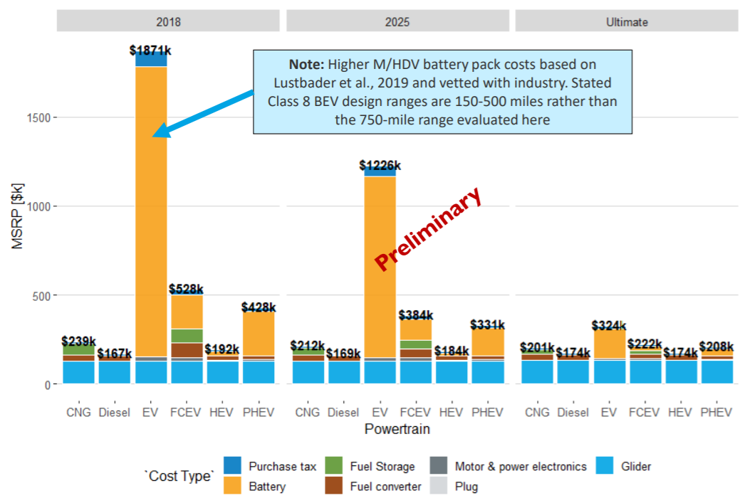
 | 2018 | 2025 | Interpolated 2020 price
CNG | 239000 | 212000 | 231285.71429
FCEV | 528000 | 384000 | 486857.14286
PHEV | 428000 | 331000 | 400285.71429

Capital cost, cost of class 8 truck with 300-mile range | 227750 |  | *Average of cost of 375-mile and 500-mile range class 8 vehicle taken from LBNL here

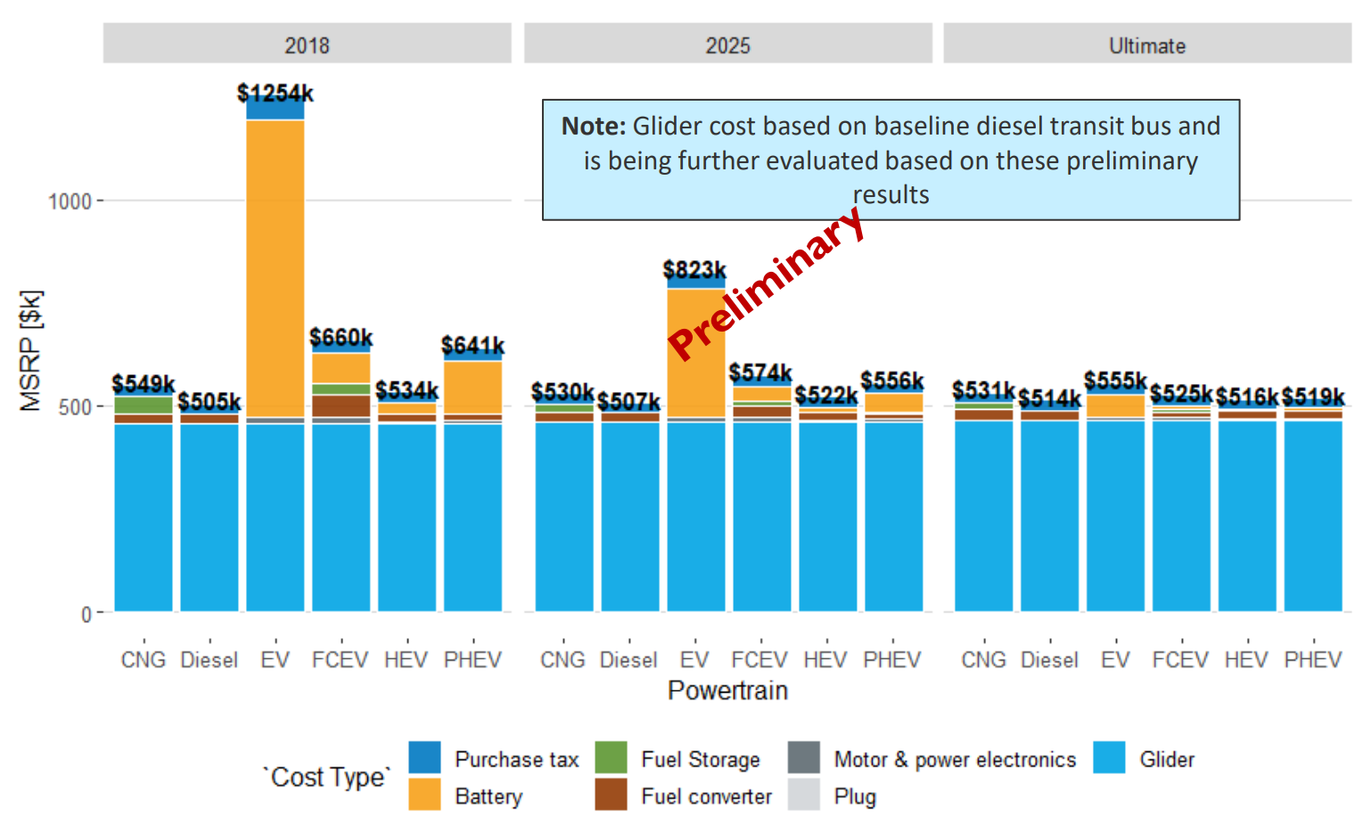
 | 2018 | 2025 | Interpolated 2020 price
CNG | 549000 | 530000 | 543571.42857
FCEV | 660000 | 574000 | 635428.57143
PHEV | 641000 | 556000 | 616714.28571

Ships
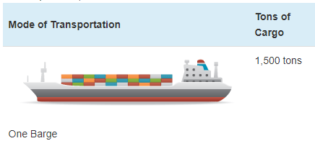
Ship prices vary greatly by ship type and size. Based on variable AVLo, our average |  |  |  | freight ship capacity
freight ship loading is 1363 tons. This may be reasonably represented by a single oceangoing, |  |  |  | Tennessee-Tombigbee Waterway
self-propelled barge that has a capacity of 1500 tons (see source info to the right). A drawing |  |  |  | undated
of a barge of this type is shown to the right (from thas same source). |  |  |  | Cargo Capacity of Different Transportation Modes
 |  |  |  | http://business.tenntom.org/why-use-the-waterway/shipping-comparisons/
Capacities of large barges of this sort are often expressed in TEU (twenty-foot equivalent units),
which are the size of a standard intermodal metal shipping container. They do not convert
neatly into cargo tons, but standard containers have a maximum payload
mass of 21600 kg, or 21.6 metric tons. Typical payload may be less. We use 16 tons as
the typical load for a freight HDV (see variable AVLo), which may use an intermodal container
or be similar in size to one.

The largest barge in the world is the Maersk Triple E class, with a capacity of 18,340 TEU |  |  |  | Source for TEU capacities
and a cost of $185 million. This is more than 200 times more capacity than the ship we |  |  |  | https://web.archive.org/web/20090420143514/http://emase.co.uk/data/cont.html
wish to represent with this variable, and it serves as an upper bound reference point.
 |  |  |  | Source for Maersk Triple E class pricing
A variety of used boats are listed for sale at https://www.oceanmarine.com |  |  |  | https://www.bloomberg.com/news/photo-essays/2013-09-05/holy-ship#slide1
with ever-changing inventory. These barges all tend to be smaller than the reference
ship we wish to represent (with 1500-ton capacity). The closest ships I have been |  |  |  | Source for Other Example cargo ship pricing
able to find are certain Platform Supply Vessels, which tend to have higher deck capacities |  |  |  | https://www.oceanmarine.com
and lower prices than the similar Anchor Handling Tug Supply (AHTS) vessels. AHTS
vessels have extra equipment and engine power that may increase their price relative
to the necessary capacity.

 | Description | Deck Capacity (metric tons) | Price | Year of Manufacture
 | 180ft 5200HP AHTS 9504 | 500 | 5900000 | 1984
 | 60 Ton BP AHTS - 9279 | 500 | 7050000 | 1984
 | 5200HP AHTS - 9278 | 500 | 7050000 | 1983
 | 220ft Platform Supply DP-1 - 13146 | 1030 | 6000000 | 1999
 | 240ft Platform Supply Vessel(PSV) DP-1 - 13932 | 1800 | 6000000 | 2009
 | 285ft Platform Supply Vessel (PSV) - 13810 | 2800 | 22000000 | 2014

Based on all of these data points, we select a value of $10 million to represent a brand new,
self-propelled, ocean-going barge or supply boat with 1,500-ton capacity.
10000000

We assume no change in pricing over time.

Passenger Ships (recreational boats in the U.S. model) |  |  |  | Source for typical recreational boat characteristics
As with freight ships, there are a great variety of types of recreational boats at various |  |  |  | http://www.carefreeboater.com/how-much-does-a-boat-cost/
price points. We assume a runabout roughly 21 feet to 24 feet in length is typical.
 |  |  |  | Sources for boat prices
We use a value of $30,000 for these boats, which seems reasonable for a brand |  |  |  | http://www.boatingmag.com
new, entry-level runabout of the sort determined to be typical. This is based |  |  |  | http://www.boattrader.com
on examination of price listings and articles at the sources listed to the right. |  |  |  | http://www.boats.com
30000

We assume no change in pricing over time.

For estimating electric and hydrogen vehicle prices, we apply the ratios
from the passenger HDVs category.

